ASHRAE Std 90.1
Table 6.8.1-1 Electrically Operated Unitary Air Conditioners and Condensing Units - Minimum Efficiency Requirements
Air Conditioners, Air-Cooled
 |  |  |  |  |  |  |  |  |  | Water Cooled
Size Category | Heating Type | SEER | SEER2 | EER | IEER | Factor |  |  |  | EER
< 65 Mbtuh | All | 13.0 | 13.4 |  |  | 1.047 | (given) |  |  | 12.1 | 1.074
≥ 65 Mbtuh and < 135 Mbtuh | Electric Resistence or none |  |  | 11.2 | 14.8 | 1.321 |  |  |  | 12.1 | 0.926
≥ 65 Mbtuh and < 135 Mbtuh | All Other |  |  | 11.0 | 14.6 | 1.327 |  |  |  | 11.9 | 0.924
≥ 135 Mbtuh and < 240 Mbtuh | Electric Resistence or none |  |  | 11.0 | 14.2 | 1.291 |  |  |  | 12.5 | 0.880
≥ 135 Mbtuh and < 240 Mbtuh | All Other |  |  | 10.8 | 14.0 | 1.296 |  | 1.308 |  | 12.3 | 0.878
≥ 240 Mbtuh and < 760 Mbtuh | Electric Resistence or none |  |  | 10.0 | 13.2 | 1.320 |  |  |  | 12.4 | 0.806
≥ 240 Mbtuh and < 760 Mbtuh | All Other |  |  | 9.8 | 13.0 | 1.327 |  |  |  | 12.2 | 0.803
≥ 760 Mbtuh | Electric Resistence or none |  |  | 9.7 | 12.5 | 1.289 |  |  |  | 12.2 | 0.795
≥ 760 Mbtuh | All Other |  |  | 9.5 | 12.3 | 1.295 |  |  |  | 12 | 0.792
 |  |  |  |  |  |  |  |  |  |  | 0.875
 |  |  |  |  |  |  |  |  |  |  |  | `
Table 6.8.1-2 Electrically Operated Unitary Heat Pumps - Minimum Efficiency Requirements |  |  |  |  |  |  |  |  | 1.3038439
Air-Cooled (cooling mode)

Size Category | Heating Type | SEER | SEER2 | EER | IEER | Factor
< 65 Mbtuh | All | 14.0 | 14.3 |  |  | 1.021429 | (given)
≥ 65 Mbtuh and < 135 Mbtuh | Electric Resistence or none |  |  | 11.0 | 14.1 | 1.282
≥ 65 Mbtuh and < 135 Mbtuh | All Other |  |  | 10.8 | 13.9 | 1.287
≥ 135 Mbtuh and < 240 Mbtuh | Electric Resistence or none |  |  | 10.3 | 13.5 | 1.311
≥ 135 Mbtuh and < 240 Mbtuh | All Other |  |  | 10.4 | 13.3 | 1.279 |  | 1.299
≥ 240 Mbtuh and < 760 Mbtuh | Electric Resistence or none |  |  | 9.5 | 12.5 | 1.316
≥ 240 Mbtuh and < 760 Mbtuh | All Other |  |  | 9.3 | 12.3 | 1.323
 |  |  |  |  | 10.0

 |  | Another option to consider... Convert to EER first, then input EER only in formula

 |  | Step #1:
 |  | SEER2 |  | = |  | EERnew

 |  | IEER |  | = |  | EERnew

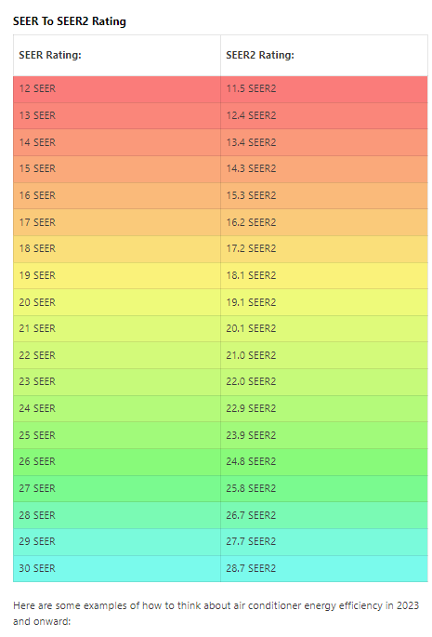
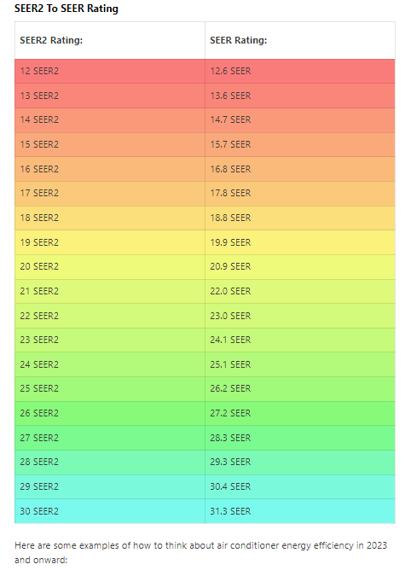
SEER | SEER2
12 | 12.6 | 1.050000
13 | 13.6 | 1.046154
14 | 14.7 | 1.050000
15 | 15.7 | 1.046667
16 | 16.8 | 1.050000
17 | 17.8 | 1.047059
18 | 18.8 | 1.044444
19 | 19.9 | 1.047368
20 | 20.9 | 1.045000
21 | 22 | 1.047619
22 | 23 | 1.045455
23 | 24.1 | 1.047826
24 | 25.1 | 1.045833
25 | 26.2 | 1.048000
26 | 27.2 | 1.046154
27 | 28.3 | 1.048148
28 | 29.3 | 1.046429
29 | 30.4 | 1.048276
30 | 31.3 | 1.043333
 |  | 1.047040

 | https://nee.sharepoint.com/:x:/r/teams/EXT_EXTDSMSProjectTeamsChannel/_layouts/15/Doc.aspx?sourcedoc=%7BA7941B36-3EC4-4E18-B673-C26F641D505C%7D&file=Business%20HVAC%20DX%20Calculation%20R4-07312023.xlsx&action=default&mobileredirect=true

